D7. Stratification Graphs
 |  | Retained Covered Bonds

 | Straticifation Tables

 | Portfolio Cut-off Date
 |  | 31/03/2022

 | 1. Geographic distribution
 | 
 | 2. Seasoning
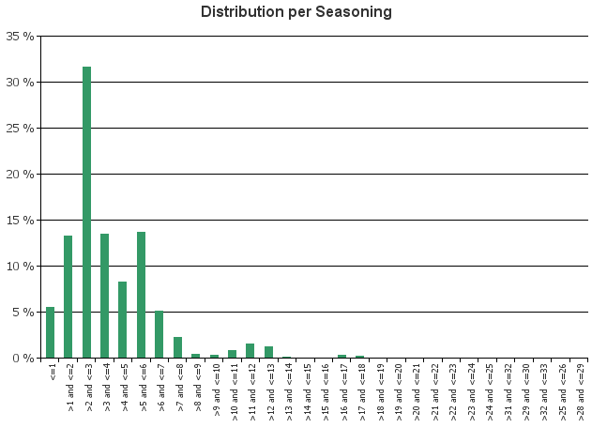
 | 3. Remaining term to maturity
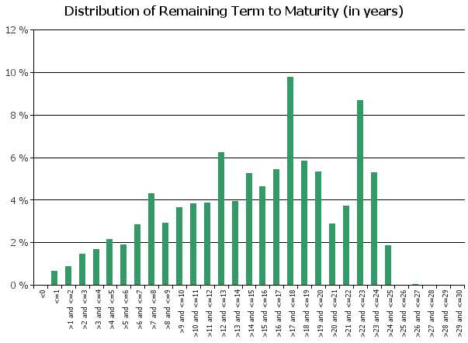
 | 4. Original term to maturity
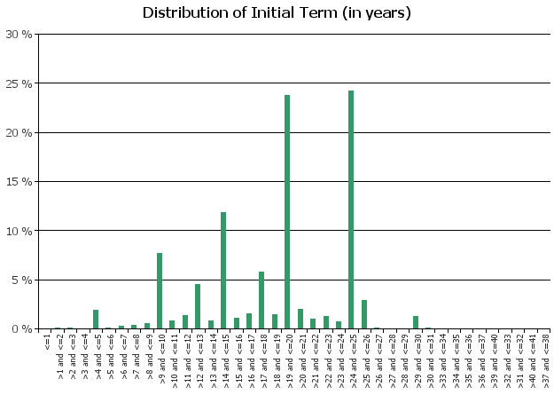
 | 5. Origination Year
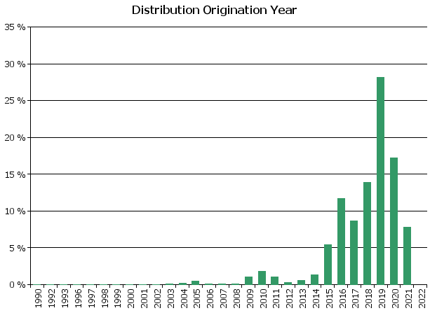
 | 6. Outstanding Loan Balance by Borrower
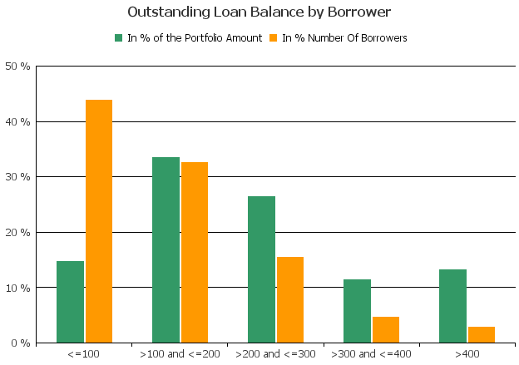
 | 7. Interest Rate

 | 8. Interest Rate Type
 | 
 | 9. Next Reset Date
 | 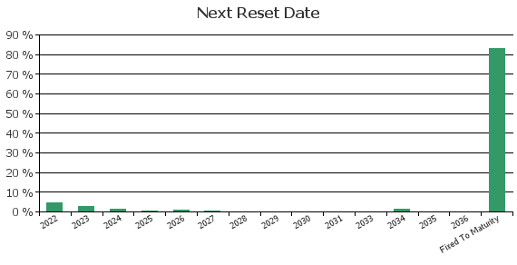
 | 10. Interest Payment Frequency
 | 
 | 11. Repayment Type
 | 
 | 12. Current Loan to Current Value (LTV)
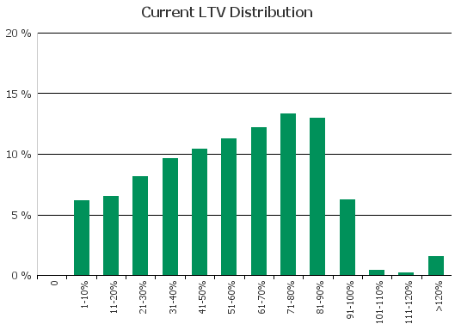
 | 13. Loan to Mortgage Inscription Ratio (LTM)
 | 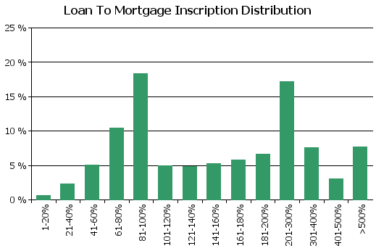
 | 14. Distribution of Average Life to Final Maturity (at 0% CPR)
 | 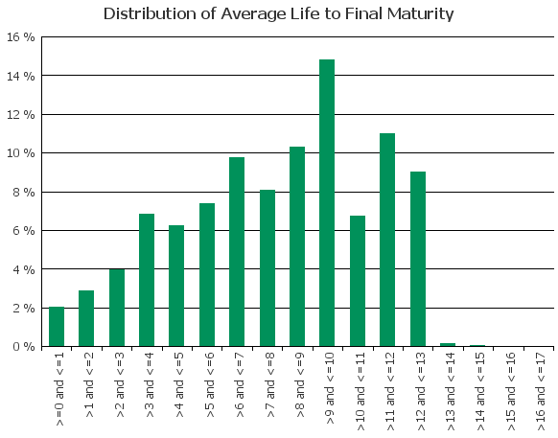
 | 15. Distribution of Average Life To Interest Reset Date (at 0% CPR)

D8. Performance
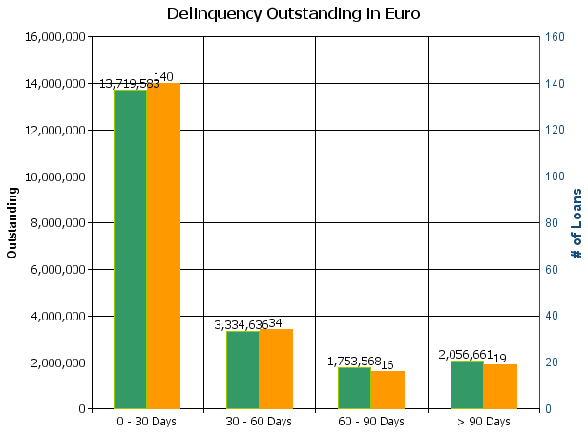
 |  | Retained Covered Bonds

Cover Pool Performance

Portfolio Cut-off Date |  | 31/03/2022

1. Delinquencies (at cut-off date)

 | In EUR |  | In % | In number of loans | In %
Performing | 15,198,548,137.26 |  | 99.86 % | 223,911 | 99.91 %

0 - 30 Days | 13,719,583.41 |  | 0.09 % | 140 | 0.06 %
30 - 60 Days | 3,334,636.10 |  | 0.02 % | 34 | 0.02 %
60 - 90 Days | 1,753,568.45 |  | 0.01 % | 16 | 0.01 %
> 90 Days | 2,056,661.08 |  | 0.01 % | 19 | 0.01 %
Total | 15,219,412,586.30 |  | 100.00 % | 224,120 | 100.00 %

