D8. Performance
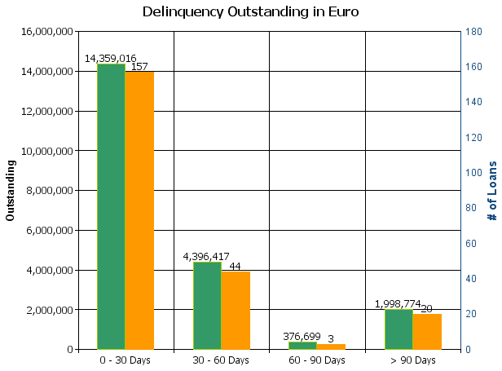
 |  | Retained Covered Bonds

Cover Pool Performance

Portfolio Cut-off Date |  | 31/12/2021

1. Delinquencies (at cut-off date)

 | In EUR |  | In % | In number of loans | In %
Performing | 15,207,864,407.35 |  | 99.86 % | 225,440 | 99.90 %

0 - 30 Days | 14,359,016.01 |  | 0.09 % | 157 | 0.07 %
30 - 60 Days | 4,396,417.06 |  | 0.03 % | 44 | 0.02 %
60 - 90 Days | 376,698.95 |  | 0.00 % | 3 | 0.00 %
> 90 Days | 1,998,773.66 |  | 0.01 % | 20 | 0.01 %
Total | 15,228,995,313.03 |  | 100.00 % | 225,664 | 100.00 %

D7. Stratification Graphs
 |  | Retained Covered Bonds

 | Straticifation Tables

 | Portfolio Cut-off Date
 |  | 31/12/2021

 | 1. Geographic distribution
 | 
 | 2. Seasoning
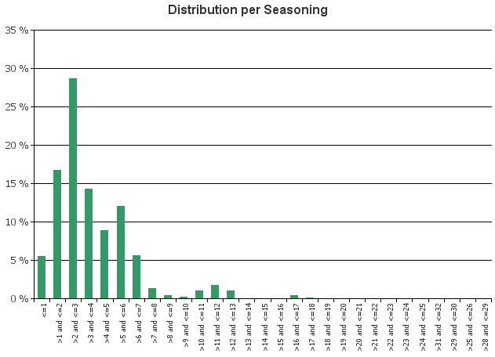
 | 3. Remaining term to maturity
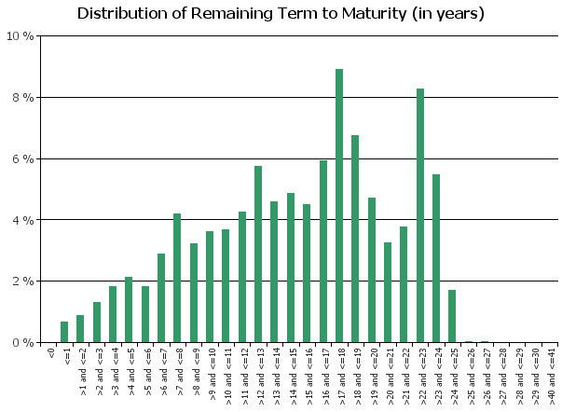
 | 4. Original term to maturity
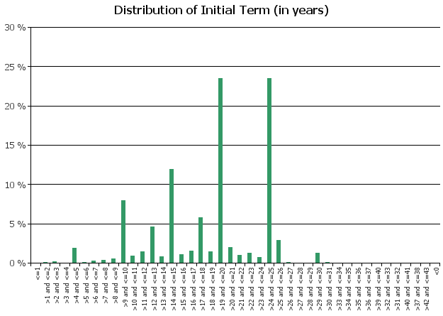
 | 5. Origination Year
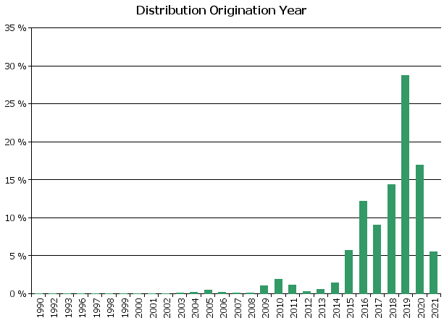
 | 6. Outstanding Loan Balance by Borrower
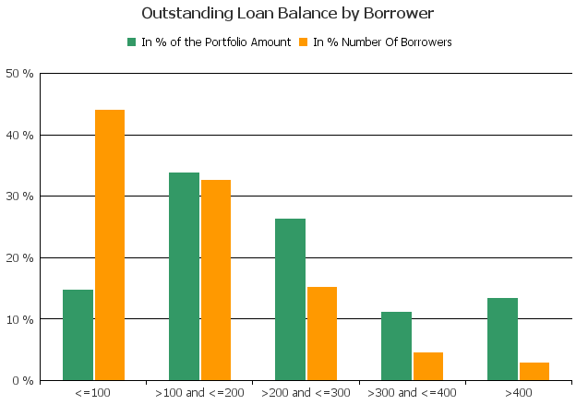
 | 7. Interest Rate

 | 8. Interest Rate Type
 | 
 | 9. Next Reset Date
 | 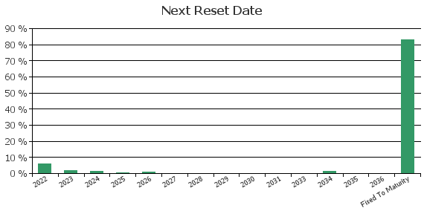
 | 10. Interest Payment Frequency
 | 
 | 11. Repayment Type
 | 
 | 12. Current Loan to Current Value (LTV)
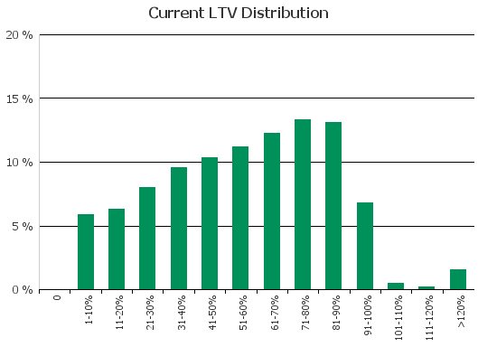
 | 13. Loan to Mortgage Inscription Ratio (LTM)
 | 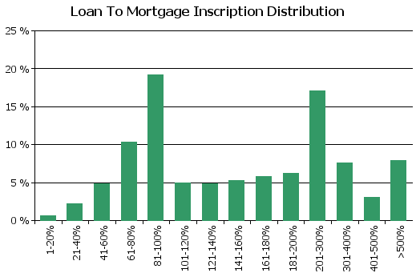
 | 14. Distribution of Average Life to Final Maturity (at 0% CPR)
 | 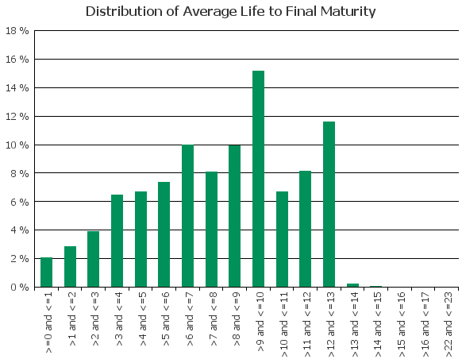
 | 15. Distribution of Average Life To Interest Reset Date (at 0% CPR)

D10. Amortisation Graph
